Pbm9.2
Problem 9.2 Canadian Dollar

The Canadian dollar’s value against the U.S. dollar has seen some significant changes over recent history. Using the following graph of the C$/US$ exchange rate for the 30 year period between 1980 and end-of-year 2010 to estimate the percentage change in the Canadian dollar’s value (its affectionately known as the "loonie") versus the dollar for the following periods.

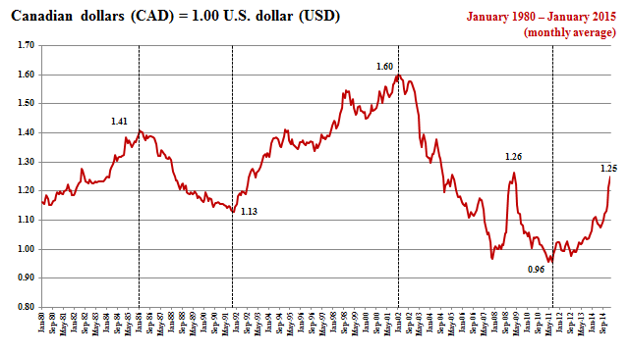

a. January 1980 - December 1985
b. January 1986 - December 1991

The following values are taken from the graph.

 |  |  | Change in the value
 | Starting Value | Ending Value | of the loonie
Time Period | (C$/US$) | (C$/US$) | (percent)
January 1980 - January 1986 | 1.16 | 1.41 | -17.7%
January 1986 - October 1991 | 1.41 | 1.13 | 24.8%
October 1991 - December 2001 | 1.13 | 1.60 | -29.4%
October 2001 - April 2011 | 1.60 | 0.96 | 66.7%
April 2011 - January 2015 | 0.96 | 1.25 | -23.2%

Percent change = (Starting Value - Ending Value ) / (Ending Value)

The 'spike' in the Loonie in 2008-2009, was dramatic, but was considered by many a nervous reaction to the financial crisis which was largely experienced in the United States at the time, and not in Canada.

Pbm9.5
Problem 9.5 Argentine Anguish

As illustrated in the graph, the Argentine peso moved from its fixed exchange rate of Ps1.00/$ to over Ps2.00/$ in a matter of days in early January 2002. After a brief period of high volatility, the peso's value appeared to settle down into a range varying between 2.0 and 2.5 pesos per dollar. If you were forecasting the Argentine peso further into the future, to March 30, 2002, how would you use the information in the graphic -- the value of the peso freely-floating in the weeks following devaluation -- to forecast its future value?

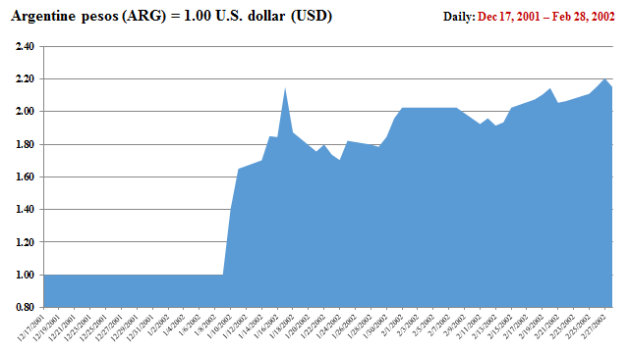

 |  | "Eye-balled"
 | Date | Values
 | February 1st (Ps/$) | 2.00
 | February 28th (Ps/$) | 2.20

 | Percent change | -9.09%

 | If peso continued to fall at same rate for 1 month:

 | March 1, 2002 (Ps/$) | 2.20

 | Percent change | -9.09%

 | March 30, 2002 (Ps/$) | 2.42

The period immediately following the peso's devaluation was highly volatile and a period of transition. Most forecasters would view the February period as a period in which the new exchange rate is beginning to "stabilize" in its trading.

Pbm9.17
Problem 9.17 The Rising Sun and Europe

The Japanese yen-euro cross rate is one of the more significant currency values for global trade and commerce. The graphic at right shows this cross-rate from when the euro was launched in January 1999 through the end-of-year 2010. Estimate the change in the value of the yen over the following three periods of change.

 |  |  | Change in the
 | Starting Value | Ending Value | value of the yen
Time Period | (¥/€) | (¥/€) | (percent)
a. Jan 1999 - Aug 2001 | 131 | 109 | 20.2%
b. Sep 2001 - June 2008 | 108 | 166 | -34.9%
c. July 2008 - Dec 2010 | 169 | 110 | 53.6%

Percent change = ( S1 - S2 ) ÷ ( S2 )

Monthly Average Exchange Rates:
Japanese Yen per European Euro

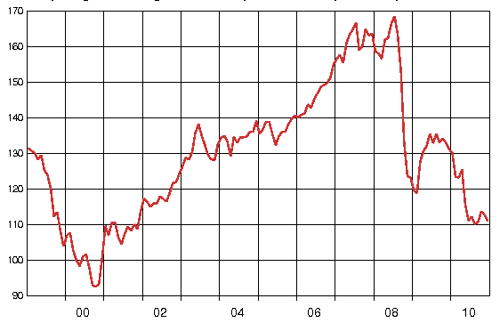

Source: PACIFIC Exchange Rates © 2010 by Prof. Werner Antweiler, University of British Columbia, Vancouver BC, Canada.

 |  |  |  | © 2015 by Prof. Werner Antweiler, Universit

